Sheet1
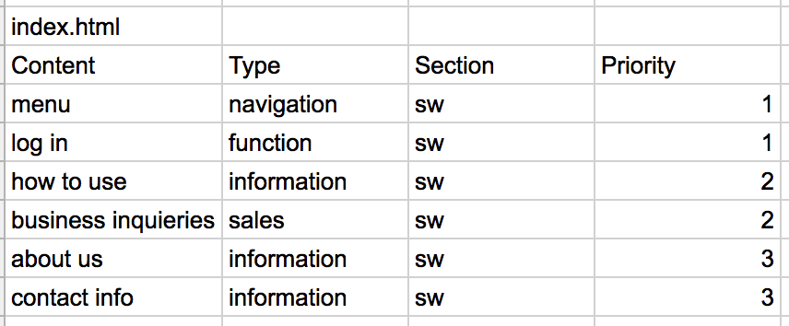
 | Prestandabudget
 | citybikes.se | HopOn | Perfomance
timeToFirstImage | 1761 | 786 | 55%
slowestResponse | 1901 | 621 | 67%
medianLatency | 245 | 64 | 74%
smallestLatency | 65 | 2 | 97%
domContentLoaded | 1396 | 682 | 51%
imageSize | 952295 | 924719 | 3%
jsSize | 294201 | 103258 | 65%
cssSize | 28829 | 52737 | -83%
headersSize | 256600 | 9052 | 96%
requests | 57 | 20 | 65%

 | Prioriteringsmatris över HopOn's hemsida

